both communities
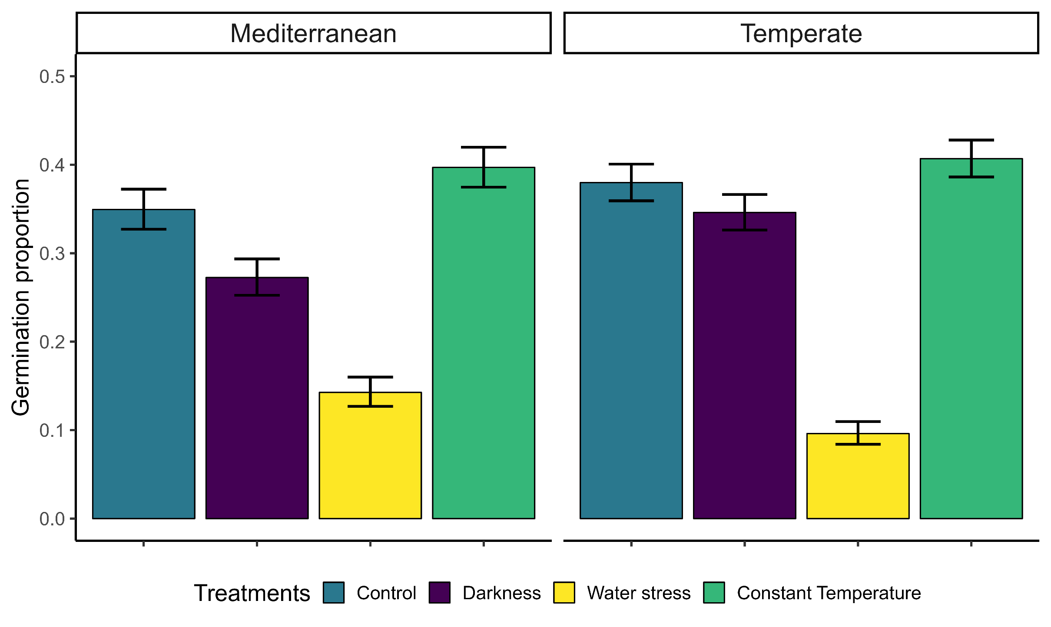
MCMC-GLMM | cbind(finalgerm, viable - finalgerm)~treatment *community | random = ~ animal + ID
 |  | post.mean | l-95% CI | u-95% CI | eff.samp | pMCMC
Control | (Intercept) | -1.99198 | -3.54175 | -0.41058 | 8863 | 0.0113 | * | Random factors | Mean | lower | upper
Darkness | treatmentB_alternate_dark | -0.82527 | -1.66628 | 0.04546 | 9593 | 0.0576 | . | lamba | 0.34 | 0 | 0.82
Water stress | treatmentC_alternate_WP | -2.10889 | -3.02489 | -1.23368 | 8676 | <1e-04 | *** | Philogeny (animal) | 1.73 | 0 | 7.11
Constant T | treatmentD_constant_light | 0.42011 | -0.36039 | 1.27635 | 9000 | 0.3067 |  | species (ID) | 8.22 | 3.79 | 13.22
 | communityTemperate | 0.41213 | -0.80941 | 1.71151 | 9000 | 0.5136
 | treatmentB_alternate_dark:communityTemperate | 0.50585 | -0.70916 | 1.6048 | 9000 | 0.3902
 | treatmentC_alternate_WP:communityTemperate | -1.16749 | -2.36049 | 0.11911 | 8713 | 0.066 | .
 | treatmentD_constant_light:communityTemperate | -0.17248 | -1.28137 | 0.93318 | 9000 | 0.7551

separate communities

TEMPERATE
MCMC-GLMM | cbind(finalgerm, viable - finalgerm)~treatment *community | random = ~ animal + ID
 |  | post.mean | l-95% CI | u-95% CI | eff.samp | pMCMC |  | Random factors | Mean | lower | upper
Control | (Intercept) | -1.2245 | -3.1376 | 0.6539 | 10585 | 0.175 |  | lamba | 0.48 | 0 | 0.88
Darkness | treatmentB_alternate_dark | -0.3318 | -1.1899 | 0.4622 | 9000 | 0.437 |  | Philogeny (animal) | 3.86 | 0 | 14.38
Water stress | treatmentC_alternate_WP | -3.3444 | -4.2708 | -2.3973 | 9000 | <1e-04 | *** | species (ID) | 6.89 |  | 13.01
Constant T | treatmentD_constant_light | 0.2438 | -0.5945 | 1.0278 | 9000 | 0.556

MEDITERRANEAN
MCMC-GLMM | cbind(finalgerm, viable - finalgerm)~treatment *community | random = ~ animal + ID
 |  | post.mean | l-95% CI | u-95% CI | eff.samp | pMCMC |  | Random factors | Mean | lower | upper
Control | (Intercept) | -2.25723 | -5.04991 | 0.44629 | 9288 | 0.0762 | . | lamba | 0.069 | 0.04 | 0.98
Darkness | treatmentB_alternate_dark | -0.72783 | -1.41431 | -0.05503 | 9000 | 0.0347 | * | Philogeny (animal) | 7.76 | 0 | 26.25
Water stress | treatmentC_alternate_WP | -2.02079 | -2.7684 | -1.31894 | 9000 | <1e-04 | *** | species (ID) | 7.29 | 0 | 16.97
Constant T | treatmentD_constant_light | 0.45594 | -0.18283 | 1.13189 | 9000 | 0.1709

habitat
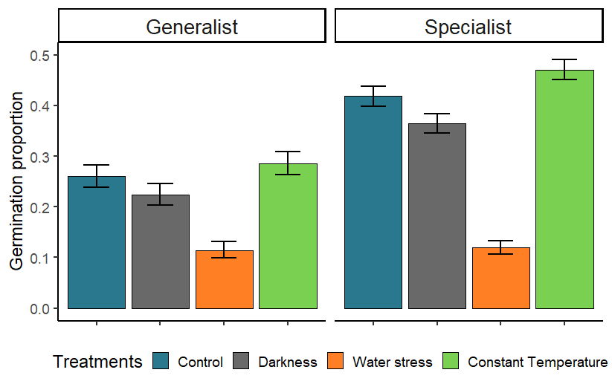
MCMC-GLMM | cbind(finalgerm, viable - finalgerm)~treatment *habitat | random = ~ animal + ID
 |  | post.mean | l-95% CI | u-95% CI | eff.samp | pMCMC
Control | (Intercept) | -2.55392 | -4.50432 | -0.70138 | 9000 | 0.00644 | **
Darkness | treatmentB_alternate_dark | -0.5673 | -1.51402 | 0.33949 | 7746 | 0.22933
Water stress | treatmentC_alternate_WP | -2.07193 | -3.05926 | -1.08546 | 9000 | < 1e-04 | ***
Constant T | treatmentD_constant_light | 0.40784 | -0.52636 | 1.2754 | 9000 | 0.38089
 | habitatSpecialist | 1.2329 | -0.71927 | 3.20885 | 9000 | 0.21533
 | treatmentB_alternate_dark:habitatSpecialist | -0.02705 | -1.16838 | 1.20611 | 9000 | 0.96778
 | treatmentC_alternate_WP:habitatSpecialist | -1.18055 | -2.47381 | 0.11006 | 8482 | 0.07133 | .
 | treatmentD_constant_light:habitatSpecialist | -0.16387 | -1.34777 | 0.97987 | 9000 | 0.77867

microclimatic gradients
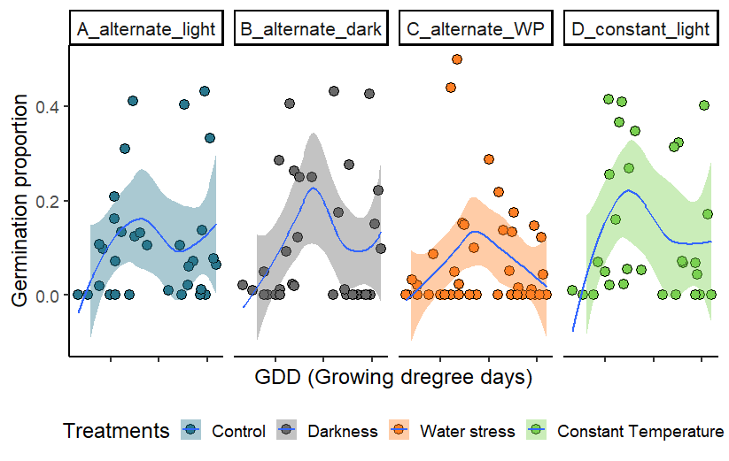
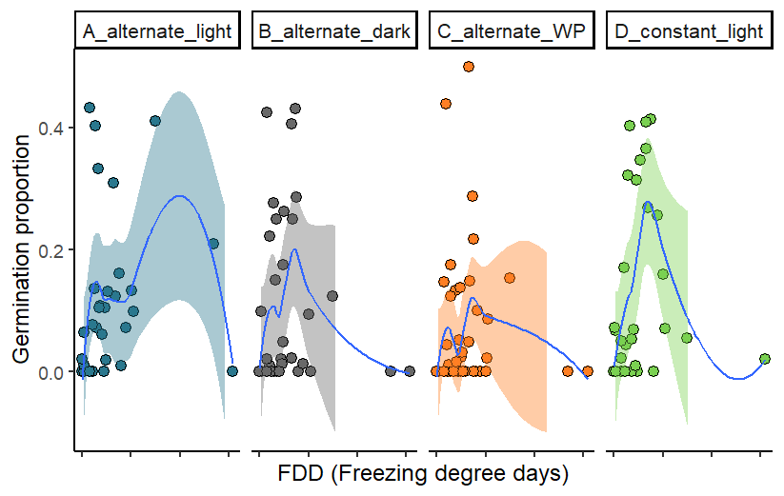
MCMC-GLMM | cbind(finalgerm, viable - finalgerm)~treatment *GDD + treatment * FDD | random = ~ animal + ID
 |  | post.mean | l-95% CI | u-95% CI | eff.samp | pMCMC
Control | (Intercept) | -2.4579697 | -6.5370036 | 1.1732086 | 9000 | 0.205
Darkness | treatmentB_alternate_dark | 1.9069903 | -0.6605417 | 4.5903536 | 9000 | 0.146
Water stress | treatmentC_alternate_WP | -5.8095634 | -8.7667776 | -2.7896303 | 9000 | <1e-04 | ***
Constant T | treatmentD_constant_light | -0.2007456 | -2.5673365 | 2.3157008 | 9000 | 0.88
 | GDD | 0.0003078 | -0.0016343 | 0.0023104 | 9000 | 0.76
 | FDD | 0.0045895 | -0.0372629 | 0.0409611 | 9000 | 0.812
 | treatmentB_alternate_dark:GDD | -0.0011426 | -0.0026062 | 0.0003468 | 9000 | 0.133
 | treatmentC_alternate_WP:GDD | 0.0019927 | 0.000382 | 0.003676 | 9000 | 0.018 | *
 | treatmentD_constant_light:GDD | 0.0001984 | -0.0012009 | 0.0016582 | 9306 | 0.795
 | treatmentB_alternate_dark:FDD | -0.0318963 | -0.0634066 | -0.0026247 | 9000 | 0.034 | *
 | treatmentC_alternate_WP:FDD | 0.0057951 | -0.0243547 | 0.0368681 | 10327 | 0.692
 | treatmentD_constant_light:FDD | 0.0078548 | -0.0151585 | 0.0318074 | 9000 | 0.502

